Sheet1
Sentence | Word No1 | Word No2 | Answer Expected
waves after waves | 1 | 2 | after waves waves
leaves on the trees rustled as the wind danced through the air | 2 | 4 | leaves trees the on rustled as the wind danced through the air
It was a breathtaking sight in the skyline | 1 | 5 | sight breathtaking a was It in the skyline
line is not drawn horizontally | 3 | 3 | line is not drawn horizontally
the old park had a rusted bench | 2 | 9 | the bench rusted a had park old
vast meadow had a carpet of greenery | 4 | 6 | vast meadow had of carpet a greenery
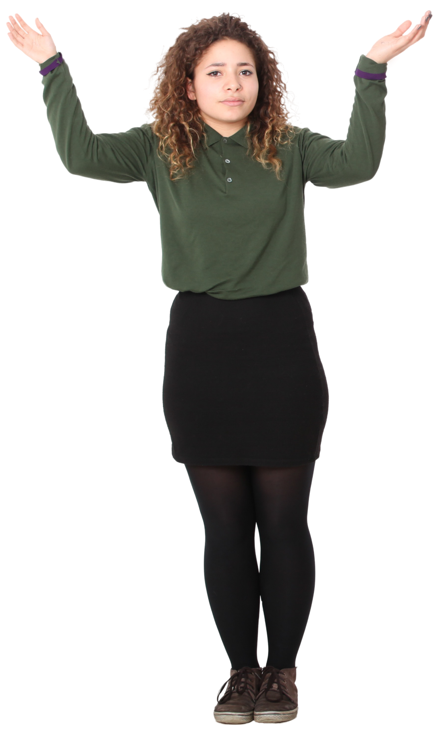
mountains host many eagles high atop the majestic peaks | 0 | 4 | eagles many host mountains high atop the majestic peaks
Reverse the words between two words whose both inclusive positions are given. This is Index 1 system, hence first word is 1 not 0.
If Word No1 is 3 and Word No2 is 7, then only words between 3rd and 7th words (both inclusive) will be reversed.
bread's aroma was floating in the air | 2 | 5 | bread's in floating was aroma the air

